Guidelines
Eligibility File Layout
Overview
The file will be checked for HIPAA compliance. We will return a 997 transaction as acknowledgement that the ‘file was received’. A separate email will be sent with errors that we have found. Depending on the situation, the entire file may be rejected or we may fix the error and continue to process.
Loop 2000 has a DTP segment for Member Level Dates.
● If DTP01 = 303 (Maintenance Effective Date), this date will be mapped to our EFF-CHANGE-DATE field.
● This date can be used to provide an effective date for Member Level information, e.g. Marital Status, Work Status, Member ID Info (REF01), etc.
● If the customer wants to submit an effective date for these types of changes, they can do so in this Loop 2000 - DTP segment.
● If we do not receive a Maintenance Effective Date, UMR will default to “Today’s Process Date.”
Data Overview – Coverage Levels and Dependents
Dependent information and Coverage Level Codes are required.
The Coverage Level Code (HD05) need only be submitted for the subscriber. The Subscriber HD05 will define the coverage for eligible dependents. Exception: If there is a ‘split family’ coverage plan, we would need HD05 for Subscriber & Dependents.
If using FTP with PGP Encryption, send files to Test directory.
If using Web Based File Transfer (WBFT), send files using test upload option.
UHCTS UMR EDI Services (Transport Options)
UHCTS UMR EDI Services supports the following connectivity options.
Option 1: FTP over the Internet
UHCTS UMR EDI Services has a connection to a secure landing zone (FTP/sFTP server). This server resides in a Demilitarized Zone (outside of the network and accessible via the Internet, but protected by a Firewall).
Trading partners can use standard FTP on port 21 or secure FTP (SSH, on port 22) to exchange data over the Internet. Data sent standard FTP must be encrypted using PGP.
Outbound data from UMR to trading partners can be sent via standard ftp or secure FTP (SSH). The data can also be made available for download from our landing zone in the Demilitarized Zone.
Data inbound from a trading partner using FTP/sFTP must be sent direct to our landing zone in the Demilitarized Zone. UHCTS UMR EDI Services does not support getting files from remote FTP/sFTP servers.
The secure landing zone in the Demilitarized Zone server employs many security features.
Option 2: Web Based File Exchange
UHCTS UMR EDI Services can exchange data with trading partners using our Web Based File Transfer application. Files are automatically processed once they are received. This application allows secure exchanges with trading partners using an Internet browser.
The web based file exchange site employs SSL encryption and has been approved by I/S Security and Internal Audit.
If you have any questions regarding the file transfer, please send an email to: UMR-ElectronicCommerce@umr.com

REFDX codes
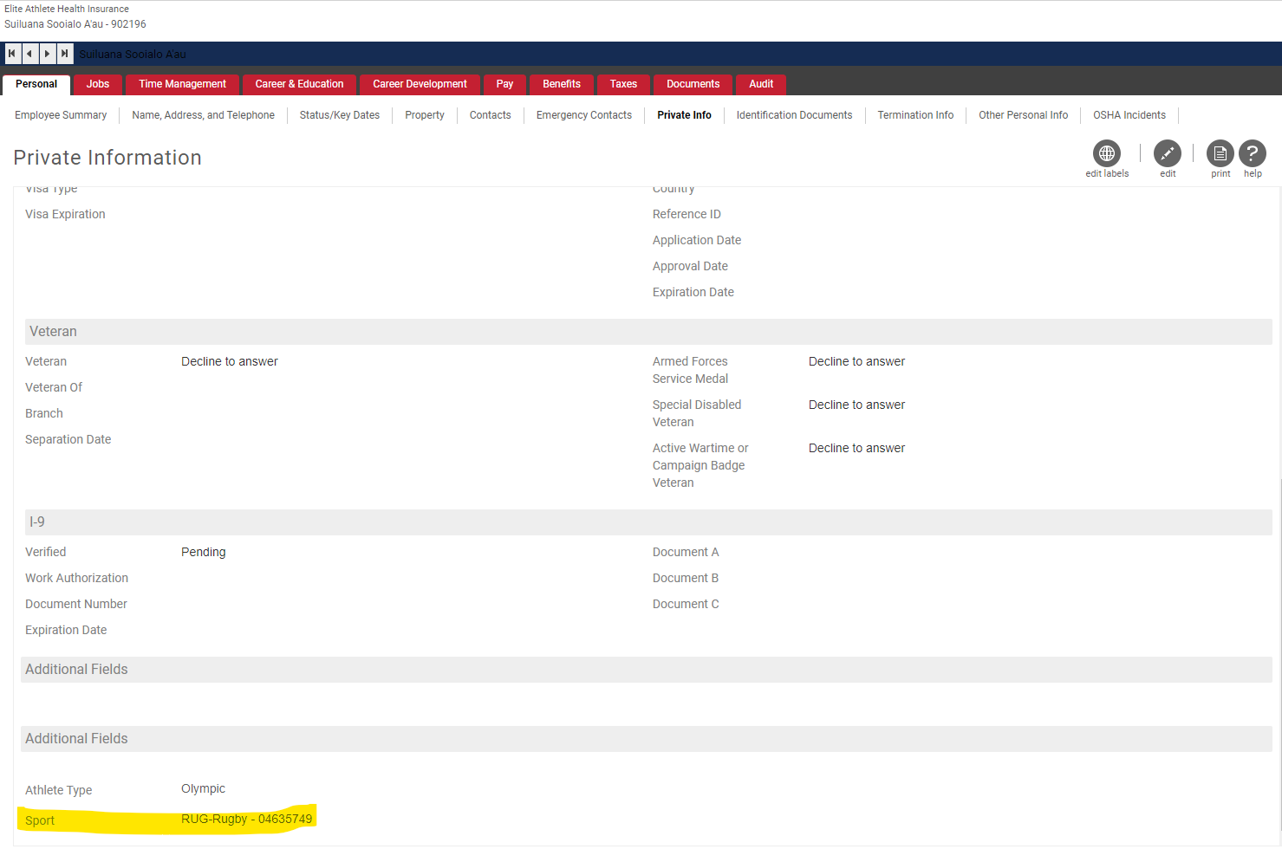
Location Code - REF*DX |  | UltiPro Platform Config field value (in employee Private Info field name is Sport) | Value sent to Vendor
PAR | United States Olympic and Paralympic Committee |  | If EecCoID = V5C45 (USOC - United States Olympic Committee) send PAR
ARY | Archery | ARY | ARY

ATH | Athletics | ATH | ATH

BAD | Badminton | BAD | BAD

BOW | Bowling | BOW | BOW

BAS | Baseball | BAS | BAS

BBL | Basketball | BSK | BBL

BIA | Biathlon | BIA | BIA

BOB | Bobsled | BOB | BOB

BOX | Boxing | BOX | BOX

CAN | Canoe/Kayak | CAN | CAN

CUR | Curling | CUR | CUR

CYC | Cycling | CYC | CYC

DIV | Diving | DIV | DIV

EQU | Equestrian | EQU | EQU

FEN | Fencing | FEN | FEN

FHY | Field Hockey | FHY | FHY | from the table Select * from [dbo].[fn_MP_CustomFields_EmpPers_Export] (NULL,NULL,NULL,NULL) where eeid = 'DBI3YL000040'

FSK | Figure Skating | FSK | FSK | ARY Archery - 04635701
 |  |  |  | ARYP Para Archery - 01676403
GYM | Gymnastics | GYM | GYM | ATH Track & Field - 04635702
 |  |  |  | ATHP Para Track & Field - 01676419
ICE | Ice Hockey | ICE | ICE | BAD Badminton - 04635703
 |  |  |  | BADP Para Badminton - 01676428
JUD | Judo | JUD | JUD | BAS Baseball - 04635705
 |  |  |  | BIA Biathlon - 04635707
KAR | Karate | KAR | KAR | BIAP Para Biathlon - 01676404
 |  |  |  | BOB Bobsled - 04635708
LUG | Luge | LUG | LUG | BOCP Boccia - 01676401
 |  |  |  | BOW Bowling - 04635704
MOD | Modern Pentathlon | PEN | MOD | BOX Boxing - 04635709
 |  |  |  | BSK Basketball - 04635706
RAC | Racquetball | RAC | RAC | BSKP Wheelchair Basketball - 01676424
 |  |  |  | CAN Canoe/Kayak - 04635710
RSK | Roller Skating | RSP | RSK | CANP Para Canoe - 01676405
 |  |  |  | CON USOC Continuance Plan - 04635770
ROW | Rowing | ROW | ROW | CONP Para Continuance Plan - 01676470
 |  |  |  | CUR Curling - 04635711
YAC | Sailing | SAI | YAC | CURP Para Curling - 01676406
 |  |  |  | CYC Cycling - 04635712
SHO | Shooting | SHO | SHO | CYCP Para Cycling - 01676407
 |  |  |  | DIV Diving - 04635713
SKI | Ski & Snowboard | SKI | SKI | EQU Equestrian - 04635714
 |  |  |  | EQUP Para Equestrian - 01676408
SOC | Soccer | SOC | SOC | FEN Fencing - 04635715
 |  |  |  | FENP Para Fencing - 01676409
SOF | Softball | SOF | SOF | FHY Field Hockey - 04635716
 |  |  |  | FSK Figure Skating - 04635717
SSK | Speed Skating | SSK | SSK | GBLP Goalball - 01676402
 |  |  |  | GYM Gymnastics - 04635718
SQA | Squash | SQU | SQA | HRD USOC Hardship - 01635748
 |  |  |  | HRDP Para Hardship - 01676448
SWI | Swimming | SWI | SWI | ICE Ice Hockey - 04635719
 |  |  |  | ICEP Para Sled Hockey - 01676415
SYN | Synchronized Swimming | SYN | SYN | JUD Judo - 04635720
 |  |  |  | JUDP Para Judo - 01676410
TAB | Table Tennis | TAB | TAB | KAR Karate - 04635721
 |  |  |  | LUG Luge - 04635722
TKD | Taekwondo | TKD | TKD | PEN Modern Pentathlon - 04635723
 |  |  |  | POWP Para Powerlifting - 01676422
THB | Team Handball | THB | THB | RAC Racquetball - 04635724
 |  |  |  | ROW Rowing - 04635726
TEN | Tennis | TEN | TEN | ROWP Para Rowing - 01676423
 |  |  |  | RSP Roller Sports - 04635725
TRI | Triathlon | TRI | TRI | RUG Rugby - 04635749
 |  |  |  | RUGP Wheelchair Rugby - 01676425
VOL | Volleyball | VOL | VOL | SAI Sailing - 04635727
 |  |  |  | SAIP Para Sailing - 01676411
WPO | Water Polo | WPO | WPO | SCL Sport Climbing - 04635751
 |  |  |  | SHO Shooting - 04635728
WSK | Water Ski | WSK | WSK | SHOP Para Shooting - 01676412
 |  |  |  | SKAP Para Ski Alpine - 01676413
WGT | Weightlifting | WGT | WGT | SKB Skateboarding - 04635750
 |  |  |  | SKI Ski & Snowboard - 04635729
WRE | Wrestling | WRE | WRE | SKNP Para Ski Nordic - 01676414
 |  |  |  | SNOP Para Snowboarding - 01676427
IRD | International Relations |  |  | SOC Soccer - 04635730
 |  |  |  | SOCP Para Soccer - 01676416
HAR | USOC Hardship | HRD | HAR | SOF Softball - 04635731
 |  |  |  | SQU Squash - 04635733
RUG | Rugby | RUG | RUG | SSK Speedskating - 04635732
 |  |  |  | SUF Surfing - 04635752
SKB | Skateboarding | SKB | SKB | SWI Swimming - 04635734
 |  |  |  | SWIP Para Swimming - 01676417
SCL | Sport Climbing | SCL | SCL | SYN Synchronized Swimming - 04635735
 |  |  |  | TAB Table Tennis - 04635736
SUF | Surfing | SUF | SUF | TABP Para Table Tennis - 01676418
 |  |  |  | TEN Tennis - 04635739
070 | USOC Continuance Plan | CON | 070' | TENP Wheelchair Tennis - 01676426
 |  |  |  | THB Team Handball - 04635738
080 | USOC Olympic Games Only |  |  | TKD Taekwondo - 04635737
 |  |  |  | TKDP Para Taekwondo - 01676429
001 | Boccia | BOCP | 001' | TRI Triathlon - 04635740
 |  |  |  | TRIP Para Triathlon - 01676420
002 | Goalball | GBLP | 002' | VOL Volleyball - 04635741
 |  |  |  | VOLP Para Volleyball - 01676421
003 | Para Archery | ARYP | 003' | WGT Weightlifting - 04635744
 |  |  |  | WPO Water Polo - 04635742
005 | Para Canoe | CANP | 005' | WRE Wrestling - 04635745
 |  |  |  | WSK Water Ski - 04635743
006 | Para Curling | CURP | 006'

007 | Para Cycling | CYCP | 007'

008 | Para Equestrian | EQUP | 008'

009 | Para Fencing | FENP | 009'

010 | Para Judo | JUDP | 010'

011 | Para Sailing | SAIP | 011'

012 | Para Shooting | SHOP | 012'

013 | Para Ski - Alpine | SKAP | 013'

014 | Para Ski - Nordic | SKNP | 014'

015 | Para Sledge Hockey | ICEP | 015'

016 | Para Soccer | SOCP | 016'

017 | Para Swimming | SWIP | 017'

018 | Para Table Tennis | TABP | 018'

019 | Para Track & Field | ATHP | 019'

020 | Para Triathlon | TRIP | 020'

021 | Para Volleyball | VOLP | 021'

022 | Para Powerlifting | POWP | 022'

023 | Para Rowing | ROWP | 023'

024 | Wheelchair Basketball | BSKP | 024'

025 | Wheelchair Rugby | RUGP | 025'

026 | Wheelchair Tennis | TENP | 026'

027 | Para Snowboarding | SNOP | 027'

028 | Para Badminton | BADP | 028'

029 | Para Taekwondo | TKDP | 029'

048 | Para Hardship | HRDP | 048'

071 | Para Continuance Plan | CONP | 071'

081 | Para Olympic Games Only

